CorrRavg
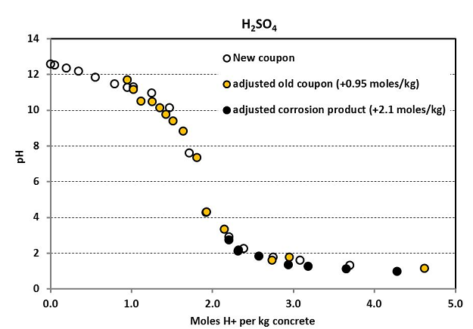
ANC | Location | H2S | RH | Temperature | CorrRate | MR-Predict
2430 | 1.00 | 50 | 100 | 17 | 1.50 | 1.6029
2430 | 1.00 | 50 | 100 | 25 | 1.63 | 1.6029
2430 | 1.00 | 50 | 100 | 30 | 1.56 | 1.6029
2430 | 1.00 | 25 | 100 | 17 | 1.60 | 1.3066
2430 | 1.00 | 25 | 100 | 25 | 1.62 | 1.3066
2430 | 1.00 | 25 | 100 | 30 | 1.25 | 1.3066
2430 | 1.00 | 15 | 100 | 17 | 1.04 | 1.1881
2430 | 1.00 | 15 | 100 | 25 | 1.33 | 1.1881
2430 | 1.00 | 15 | 100 | 30 | 1.57 | 1.1881
2430 | 1.00 | 10 | 100 | 17 | 1.40 | 1.1288
2430 | 1.00 | 10 | 100 | 25 | 1.02 | 1.1288
2430 | 1.00 | 10 | 100 | 30 | 1.40 | 1.1288
2430 | 1.00 | 5 | 100 | 17 | 1.14 | 1.0696
2430 | 1.00 | 5 | 100 | 25 | 0.84 | 1.0696
2430 | 1.00 | 5 | 100 | 30 | 0.71 | 1.0696
2430 | 1.00 | 0 | 100 | 17 | 0.57 | 1.0103
2430 | 1.00 | 0 | 100 | 25 | 0.83 | 1.0103
2430 | 1.00 | 0 | 100 | 30 | 0.91 | 1.0103
2430 | 1.00 | 50 | 90 | 17 | 1.30 | 1.3096
2430 | 1.00 | 50 | 90 | 25 | 1.04 | 1.3096
2430 | 1.00 | 50 | 90 | 30 | 1.06 | 1.3096
2430 | 1.00 | 25 | 90 | 17 | 1.50 | 1.0133
2430 | 1.00 | 25 | 90 | 25 | 0.64 | 1.0133 |  |  |  | Start pH
2430 | 1.00 | 25 | 90 | 30 | 1.45 | 1.0133 |  |  | Fresh: | 10.6 | -> | 1 | mol-H+/kg
2430 | 1.00 | 15 | 90 | 17 | 0.59 | 0.8948 |  |  | Old: | 7.8 |  | 0.4 | mol-H+/kg
2430 | 1.00 | 15 | 90 | 25 | 0.88 | 0.8948
2430 | 1.00 | 15 | 90 | 30 | 0.87 | 0.8948
2430 | 1.00 | 10 | 90 | 17 | 1.04 | 0.8355
2430 | 1.00 | 10 | 90 | 25 | 0.94 | 0.8355
2430 | 1.00 | 10 | 90 | 30 | 0.97 | 0.8355
2430 | 1.00 | 5 | 90 | 17 | 0.65 | 0.7763
2430 | 1.00 | 5 | 90 | 25 | 0.86 | 0.7763
2430 | 1.00 | 5 | 90 | 30 | 0.47 | 0.7763
2430 | 1.00 | 0 | 90 | 17 | 0.59 | 0.7170
MR prediction
 | GAS |  | Submerged
1.50 | 1.6029 | 3.76 | 3.4274 | 0 | 0
1.63 | 1.6029 | 3.92 | 3.4274 | 5 | 5
1.56 | 1.6029 | 2.36 | 3.4274
1.60 | 1.3066 | 2.07 | 2.3121
1.62 | 1.3066 | 2.68 | 2.3121
1.25 | 1.3066 | 3.01 | 2.3121
1.04 | 1.1881 | 1.88 | 1.8660
1.33 | 1.1881 | 2.20 | 1.8660
1.57 | 1.1881 | 0.54 | 1.8660
1.40 | 1.1288 | 1.53 | 1.6429
1.02 | 1.1288 | 1.52 | 1.6429
1.40 | 1.1288 | 2.23 | 1.6429
1.14 | 1.0696 | 1.25 | 1.4198
0.84 | 1.0696 | 1.31 | 1.4198
0.71 | 1.0696 | 1.95 | 1.4198
0.57 | 1.0103 | 0.53 | 1.1968
0.83 | 1.0103 | 0.63 | 1.1968
0.91 | 1.0103 | 1.15 | 1.1968
1.30 | 1.3096 | 2.63 | 3.4274
1.04 | 1.3096 | 3.58 | 3.4274
1.06 | 1.3096 | 2.84 | 3.4274
1.50 | 1.0133 | 3.07 | 2.3121
0.64 | 1.0133 | 2.49 | 2.3121
1.45 | 1.0133 | 3.32 | 2.3121
0.59 | 0.8948 | 1.26 | 1.8660
0.88 | 0.8948 | 1.72 | 1.8660
0.87 | 0.8948 | 3.30 | 1.8660
1.04 | 0.8355 | 1.82 | 1.6429
0.94 | 0.8355 | 1.78 | 1.6429
0.97 | 0.8355 | 1.72 | 1.6429
0.65 | 0.7763 | 0.75 | 1.4198
0.86 | 0.7763 | 1.21 | 1.4198
0.47 | 0.7763 | 2.36 | 1.4198
0.59 | 0.7170 | 0.82 | 1.1968
0.72 | 0.7170 | 0.66 | 1.1968
1.07 | 0.7170 | 1.34 | 1.1968
2430 | 1.00 | 0 | 90 | 25 | 0.72 | 0.7170
MR prediction
 | Submerged
1.50 | 1.6029 | 0 | 0
1.63 | 1.6029 | 5 | 5
1.56 | 1.6029
1.60 | 1.3066
1.62 | 1.3066
1.25 | 1.3066
1.04 | 1.1881
1.33 | 1.1881
1.57 | 1.1881
1.40 | 1.1288
1.02 | 1.1288
1.40 | 1.1288
1.14 | 1.0696
0.84 | 1.0696
0.71 | 1.0696
0.57 | 1.0103
0.83 | 1.0103
0.91 | 1.0103
1.30 | 1.3096
1.04 | 1.3096
1.06 | 1.3096
1.50 | 1.0133
0.64 | 1.0133
1.45 | 1.0133
0.59 | 0.8948
0.88 | 0.8948
0.87 | 0.8948
1.04 | 0.8355
0.94 | 0.8355
0.97 | 0.8355
0.65 | 0.7763
0.86 | 0.7763
0.47 | 0.7763
0.59 | 0.7170
0.72 | 0.7170
1.07 | 0.7170
3.76 | 3.4274
3.92 | 3.4274
2.36 | 3.4274
2.07 | 2.3121
2.68 | 2.3121
3.01 | 2.3121
1.88 | 1.8660
2.20 | 1.8660
0.54 | 1.8660
1.53 | 1.6429
1.52 | 1.6429
2.23 | 1.6429
1.25 | 1.4198
1.31 | 1.4198
...
2430 | 1.00 | 0 | 90 | 30 | 1.07 | 0.7170
2430 | -1.00 | 50 | 100 | 17 | 3.76 | 3.4274
2430 | -1.00 | 50 | 100 | 25 | 3.92 | 3.4274
2430 | -1.00 | 50 | 100 | 30 | 2.36 | 3.4274
2430 | -1.00 | 25 | 100 | 17 | 2.07 | 2.3121
2430 | -1.00 | 25 | 100 | 25 | 2.68 | 2.3121
2430 | -1.00 | 25 | 100 | 30 | 3.01 | 2.3121
2430 | -1.00 | 15 | 100 | 17 | 1.88 | 1.8660
2430 | -1.00 | 15 | 100 | 25 | 2.20 | 1.8660
2430 | -1.00 | 15 | 100 | 30 | 0.54 | 1.8660
2430 | -1.00 | 10 | 100 | 17 | 1.53 | 1.6429
2430 | -1.00 | 10 | 100 | 25 | 1.52 | 1.6429
2430 | -1.00 | 10 | 100 | 30 | 2.23 | 1.6429
2430 | -1.00 | 5 | 100 | 17 | 1.25 | 1.4198
2430 | -1.00 | 5 | 100 | 25 | 1.31 | 1.4198
2430 | -1.00 | 5 | 100 | 30 | 1.95 | 1.4198
2430 | -1.00 | 0 | 100 | 17 | 0.53 | 1.1968
2430 | -1.00 | 0 | 100 | 25 | 0.63 | 1.1968
2430 | -1.00 | 0 | 100 | 30 | 1.15 | 1.1968
2430 | -1.00 | 50 | 90 | 17 | 2.63 | 3.4274
2430 | -1.00 | 50 | 90 | 25 | 3.58 | 3.4274
2430 | -1.00 | 50 | 90 | 30 | 2.84 | 3.4274
2430 | -1.00 | 25 | 90 | 17 | 3.07 | 2.3121 |  | 0.84522186436
2430 | -1.00 | 25 | 90 | 25 | 2.49 | 2.3121
2430 | -1.00 | 25 | 90 | 30 | 3.32 | 2.3121
2430 | -1.00 | 15 | 90 | 17 | 1.26 | 1.8660
2430 | -1.00 | 15 | 90 | 25 | 1.72 | 1.8660
2430 | -1.00 | 15 | 90 | 30 | 3.30 | 1.8660
2430 | -1.00 | 10 | 90 | 17 | 1.82 | 1.6429
2430 | -1.00 | 10 | 90 | 25 | 1.78 | 1.6429
2430 | -1.00 | 10 | 90 | 30 | 1.72 | 1.6429
2430 | -1.00 | 5 | 90 | 17 | 0.75 | 1.4198
2430 | -1.00 | 5 | 90 | 25 | 1.21 | 1.4198
2430 | -1.00 | 5 | 90 | 30 | 2.36 | 1.4198
2430 | -1.00 | 0 | 90 | 17 | 0.82 | 1.1968
2430 | -1.00 | 0 | 90 | 25 | 0.66 | 1.1968
2430 | -1.00 | 0 | 90 | 30 | 1.34 | 1.1968 | 总72实验室数据
 | 1.00 | 1.5 | 100 | 19.7 | 0.85
 | 1.00 | 6 | 100 | 20.7 | 6.3
 | 1.00 | 125.3 | 96.5 | 25.8 | 10.9
 | 1.00 | 422.1 | 90 | 27 | 5.4
 | 1.00 | 11.9 | 94 | 17.1 | 3.5
 | 1.00 | 12.4 | 86 | 25.8 | 1.1
 | 1.00 | 140.3 | 94 | 20.7 | 4.4
 | 1.00 | 2.7 | 94 | 21.6 | 0.6
 | 1.00 | 2.2 | 94 | 21.3 | 0.7

SP1B data
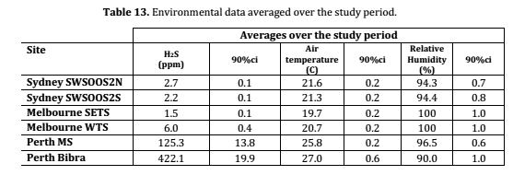
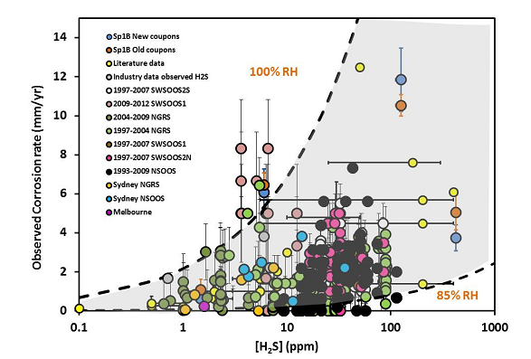

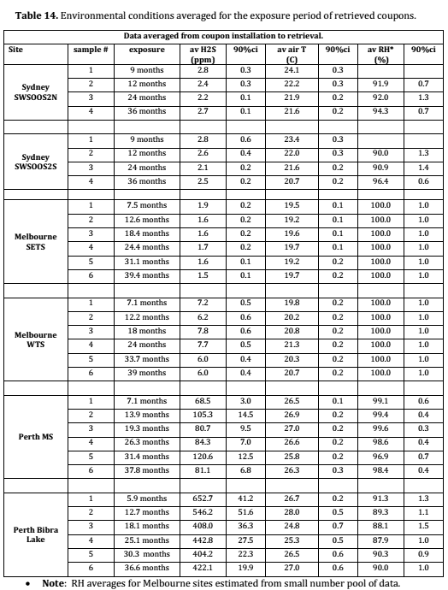

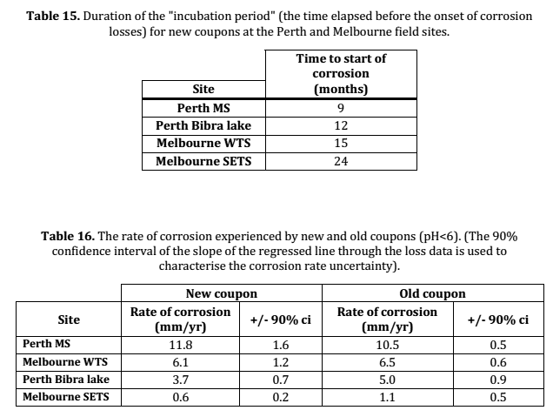

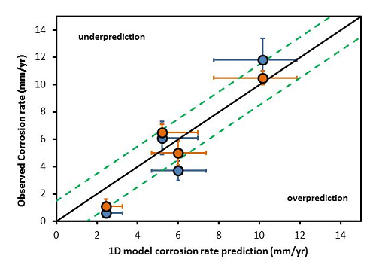
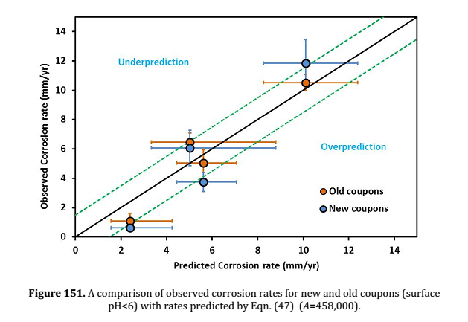

ANN performance
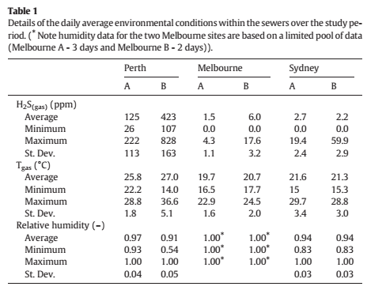
Site | H2S | RH | Temperature | Cr Fresh | Cr Precorroded | ANN-GPC | ANN-PSC | MR-GPC | MR-PSC | R-ave | R-LpF
Melbourne SETS | 1.5 | 100 | 19.7 | 0.6 | 1.1 | 0.73 | 0.80 | 0.6 | 1.5 | 0.85 | 1.267
Melbourne WTS | 6 | 100 | 20.7 | 6.1 | 6.5 | 0.88 | 1.18 | 0.7 | 1.6 | 6.3 | 1.261
Perth MS | 125.3 | 96.5 | 25.8 | 11.6 | 10.2 | 3.40 | 3.46 | 4.1 | 5.0 | 10.9 | 8.027
Perth Bibra Lake | 422.1 | 90 | 27 | 5.3 | 5.5 | 3.46 | 3.46 | 12.5 | 13.4 | 5.4 | 4.442
Morton | 11.9 | 94 | 17.1 |  |  | 1.17 | 1.88 | 0.9 | 1.8 | 3.5 | 1.289
P&J (Perth) | 12.4 | 86 | 25.8 |  |  | 1.02 | 1.74 | 0.9 | 1.8 | 1.1 | 1.185
P&J (Melbourne) | 140.3 | 94 | 20.7 |  |  | 3.44 | 3.46 | 4.5 | 5.4 | 4.4 | 6.014
Sydney A | 2.7 | 94 | 21.6 |  | 0.6 | 0.83 | 0.94 | 0.7 | 1.6 | 0.6 | 1.232
Sydney B | 2.2 | 94 | 21.3 |  | 0.7 | 0.80 | 0.84 | 0.6 | 1.5 | 0.7 | 1.234
 | ANN predictions
0.85 | 0.73 | 0 | 0
6.3 | 0.88 | 30 | 30
10.9 | 3.40
5.4 | 3.46
3.5 | 1.17
1.1 | 1.02
4.4 | 3.44
0.6 | 0.83
0.7 | 0.80
 |  |  | MR-GPC
0 | 0 | 0.85 | 0.6
30 | 30 | 6.3 | 0.7
 |  | 10.9 | 4.1
 |  | 5.4 | 12.5
 |  | 3.5 | 0.9
 |  | 1.1 | 0.9
 |  | 4.4 | 4.5
 |  | 0.6 | 0.7
 |  | 0.7 | 0.6
 | ANN predictions |  |  |  | MR predictions |  | Improved ANN predictions
0.85 | 0.73 | 0 | 0 | 0.85 | 0.6 | 0.85 | 1.267
6.3 | 0.88 | 30 | 30 | 6.3 | 0.7 | 6.3 | 1.261
10.9 | 3.40 |  |  | 10.9 | 4.1 | 10.9 | 8.027
5.4 | 3.46 |  |  | 5.4 | 12.5 | 5.4 | 4.442
3.5 | 1.17 |  |  | 3.5 | 0.9 | 3.5 | 1.289
1.1 | 1.02 |  |  | 1.1 | 0.9 | 1.1 | 1.185
4.4 | 3.44 |  |  | 4.4 | 4.5 | 4.4 | 6.014
0.6 | 0.83 |  |  | 0.6 | 0.7 | 0.6 | 1.232
0.7 | 0.80 |  |  | 0.7 | 0.6 | 0.7 | 1.234

Reasons for the discrepency:
1. Different conditions in the lab from the field?
2. Fluctuation of the conditions in the field, cant use average value for the prediction. Some correction factors need to be used along with AVG values.
3. Other unidentified factors.
4. Reliability of field environmental data

 |  |  |  |  |  |  |  |  |  |  |  | 1.2665339835 | 1.2612849198 | 8.0270484915 | 4.4421965811 | 1.2888971936 | 1.1851275781 | 6.0140158742 | 1.2318480993 | 1.2341295278

ANN sensitivity
Location | H2S | RH | T | CorrRate | Location | H2S | RH | T | CorrRate | Location | H2S | RH | T | CorrRate
1 | 0 | 100 | 25 | 0.78533361777 | 1 | 25 | 100 | 0 | 2.4853752973 | 1 | 25 | 90 | 25 | 0.98119047935
1 | 1 | 100 | 25 | 0.81581945328 | 1 | 25 | 100 | 1 | 2.4587589348 | 1 | 25 | 90.5 | 25 | 0.91885763376
1 | 2 | 100 | 25 | 0.849378223 | 1 | 25 | 100 | 2 | 2.4288893586 | 1 | 25 | 91 | 25 | 0.89284190096
1 | 3 | 100 | 25 | 0.88583012355 | 1 | 25 | 100 | 3 | 2.3955346429 | 1 | 25 | 91.5 | 25 | 0.90008948396
1 | 4 | 100 | 25 | 0.92472400195 | 1 | 25 | 100 | 4 | 2.3584961912 | 1 | 25 | 92 | 25 | 0.93060317741
1 | 5 | 100 | 25 | 0.96534662492 | 1 | 25 | 100 | 5 | 2.3176217522 | 1 | 25 | 92.5 | 25 | 0.97068985737
1 | 6 | 100 | 25 | 1.0067744401 | 1 | 25 | 100 | 6 | 2.2728177979 | 1 | 25 | 93 | 25 | 1.0085179073
1 | 7 | 100 | 25 | 1.0479645184 | 1 | 25 | 100 | 7 | 2.2240590325 | 1 | 25 | 93.5 | 25 | 1.0382889505
1 | 8 | 100 | 25 | 1.0878695229 | 1 | 25 | 100 | 8 | 2.1713918477 | 1 | 25 | 94 | 25 | 1.0607652751
1 | 9 | 100 | 25 | 1.1255534718 | 1 | 25 | 100 | 9 | 2.1149274674 | 1 | 25 | 94.5 | 25 | 1.0811192788
1 | 10 | 100 | 25 | 1.1602846104 | 1 | 25 | 100 | 10 | 2.0548194226 | 1 | 25 | 95 | 25 | 1.1061007465
1 | 11 | 100 | 25 | 1.1915891328 | 1 | 25 | 100 | 11 | 1.991219197 | 1 | 25 | 95.5 | 25 | 1.1414868096
1 | 12 | 100 | 25 | 1.2192612587 | 1 | 25 | 100 | 12 | 1.924204341 | 1 | 25 | 96 | 25 | 1.1899099889
1 | 13 | 100 | 25 | 1.2433362252 | 1 | 25 | 100 | 13 | 1.8536777772 | 1 | 25 | 96.5 | 25 | 1.2493283493
1 | 14 | 100 | 25 | 1.2640393724 | 1 | 25 | 100 | 14 | 1.7792522394 | 1 | 25 | 97 | 25 | 1.3129554453
1 | 15 | 100 | 25 | 1.2817257657 | 1 | 25 | 100 | 15 | 1.7001743216 | 1 | 25 | 97.5 | 25 | 1.3712304159
1 | 16 | 100 | 25 | 1.2968220817 | 1 | 25 | 100 | 16 | 1.6154310151 | 1 | 25 | 98 | 25 | 1.4150528735
1 | 17 | 100 | 25 | 1.3097780525 | 1 | 25 | 100 | 17 | 1.5243251347 | 1 | 25 | 98.5 | 25 | 1.4384244242
1 | 18 | 100 | 25 | 1.3210304863 | 1 | 25 | 100 | 18 | 1.4279061564 | 1 | 25 | 99 | 25 | 1.4392451009
1 | 19 | 100 | 25 | 1.3309797586 | 1 | 25 | 100 | 19 | 1.3313494366 | 1 | 25 | 99.5 | 25 | 1.4185548742
1 | 20 | 100 | 25 | 1.3399768945 | 1 | 25 | 100 | 20 | 1.24622659 | 1 | 25 | 100 | 25 | 1.3792890701
1 | 21 | 100 | 25 | 1.3483186894 | 1 | 25 | 100 | 21 | 1.1899787353 | -1 | 25 | 90 | 25 | 2.8207846262
1 | 22 | 100 | 25 | 1.3562483525 | 1 | 25 | 100 | 22 | 1.1797145033 | -1 | 25 | 90.5 | 25 | 2.7263679349
1 | 23 | 100 | 25 | 1.3639595473 | 1 | 25 | 100 | 23 | 1.2207163836 | -1 | 25 | 91 | 25 | 2.6374048677
1 | 24 | 100 | 25 | 1.3716022177 | 1 | 25 | 100 | 24 | 1.2973857226 | -1 | 25 | 91.5 | 25 | 2.555034284
1 | 25 | 100 | 25 | 1.3792890701 | 1 | 25 | 100 | 25 | 1.3792890701 | -1 | 25 | 92 | 25 | 2.4799125252
1 | 26 | 100 | 25 | 1.3871019867 | 1 | 25 | 100 | 26 | 1.440940293 | -1 | 25 | 92.5 | 25 | 2.4123856668
1 | 27 | 100 | 25 | 1.3950979486 | 1 | 25 | 100 | 27 | 1.4745295386 | -1 | 25 | 93 | 25 | 2.3526919946
1 | 28 | 100 | 25 | 1.4033142586 | 1 | 25 | 100 | 28 | 1.4863499097 | -1 | 25 | 93.5 | 25 | 2.3011897616
1 | 29 | 100 | 25 | 1.4117729934 | 1 | 25 | 100 | 29 | 1.4877245976 | -1 | 25 | 94 | 25 | 2.2586215244
1 | 30 | 100 | 25 | 1.4204847021 | 1 | 25 | 100 | 30 | 1.489033028 | -1 | 25 | 94.5 | 25 | 2.2264058672
1 | 31 | 100 | 25 | 1.4294514121 | -1 | 25 | 100 | 0 | 1.150835217 | -1 | 25 | 95 | 25 | 2.2068879835
1 | 32 | 100 | 25 | 1.4386690269 | -1 | 25 | 100 | 1 | 1.1747560648 | -1 | 25 | 95.5 | 25 | 2.2033740606
1 | 33 | 100 | 25 | 1.4481292075 | -1 | 25 | 100 | 2 | 1.2009000037 | -1 | 25 | 96 | 25 | 2.2196297754
1 | 34 | 100 | 25 | 1.4578208231 | -1 | 25 | 100 | 3 | 1.229646659 | -1 | 25 | 96.5 | 25 | 2.2584722312
1 | 35 | 100 | 25 | 1.4677310519 | -1 | 25 | 100 | 4 | 1.2613947871 | -1 | 25 | 97 | 25 | 2.3194838667
1 | 36 | 100 | 25 | 1.4778462003 | -1 | 25 | 100 | 5 | 1.296546282 | -1 | 25 | 97.5 | 25 | 2.3969971065
1 | 37 | 100 | 25 | 1.4881522992 | -1 | 25 | 100 | 6 | 1.335496127 | -1 | 25 | 98 | 25 | 2.480479093
1 | 38 | 100 | 25 | 1.4986355267 | -1 | 25 | 100 | 7 | 1.3786354106 | -1 | 25 | 98.5 | 25 | 2.5582157371
1 | 39 | 100 | 25 | 1.5092824957 | -1 | 25 | 100 | 8 | 1.4263760106 | -1 | 25 | 99 | 25 | 2.6218690298
1 | 40 | 100 | 25 | 1.5200804403 | -1 | 25 | 100 | 9 | 1.4792080611 | -1 | 25 | 99.5 | 25 | 2.668214089
1 | 41 | 100 | 25 | 1.5310173239 | -1 | 25 | 100 | 10 | 1.5378038187 | -1 | 25 | 100 | 25 | 2.6971822242
1 | 42 | 100 | 25 | 1.542081891 | -1 | 25 | 100 | 11 | 1.6031778572
1 | 43 | 100 | 25 | 1.5532636773 | -1 | 25 | 100 | 12 | 1.6768862686
1 | 44 | 100 | 25 | 1.56455299 | -1 | 25 | 100 | 13 | 1.761161249
1 | 45 | 100 | 25 | 1.5759408675 | -1 | 25 | 100 | 14 | 1.858692871
1 | 46 | 100 | 25 | 1.5874190264 | -1 | 25 | 100 | 15 | 1.9715517431
1 | 47 | 100 | 25 | 1.5989797989 | -1 | 25 | 100 | 16 | 2.0989186249
1 | 48 | 100 | 25 | 1.6106160661 | -1 | 25 | 100 | 17 | 2.2345711085
1 | 49 | 100 | 25 | 1.622321189 | -1 | 25 | 100 | 18 | 2.3668833627
1 | 50 | 100 | 25 | 1.6340889399 | -1 | 25 | 100 | 19 | 2.4830652854
-1 | 0 | 100 | 25 | 0.93597488658 | -1 | 25 | 100 | 20 | 2.5746616065
-1 | 1 | 100 | 25 | 1.0118930547 | -1 | 25 | 100 | 21 | 2.6396245441
-1 | 2 | 100 | 25 | 1.0853730835 | -1 | 25 | 100 | 22 | 2.6804712781
-1 | 3 | 100 | 25 | 1.155917364 | -1 | 25 | 100 | 23 | 2.7013567302
-1 | 4 | 100 | 25 | 1.2233322654 | -1 | 25 | 100 | 24 | 2.7060674972
-1 | 5 | 100 | 25 | 1.2877021017 | -1 | 25 | 100 | 25 | 2.6971822242
-1 | 6 | 100 | 25 | 1.3493396488 | -1 | 25 | 100 | 26 | 2.6760147821
-1 | 7 | 100 | 25 | 1.4087272126 | -1 | 25 | 100 | 27 | 2.6430661606
-1 | 8 | 100 | 25 | 1.4664592468 | -1 | 25 | 100 | 28 | 2.5988942894
-1 | 9 | 100 | 25 | 1.523193068 | -1 | 25 | 100 | 29 | 2.5453389273
-1 | 10 | 100 | 25 | 1.5796100835 | -1 | 25 | 100 | 30 | 2.4869086096
-1 | 11 | 100 | 25 | 1.6363869996
-1 | 12 | 100 | 25 | 1.6941748506
-1 | 13 | 100 | 25 | 1.7535831181
-1 | 14 | 100 | 25 | 1.8151663382
-1 | 15 | 100 | 25 | 1.8794111123
-1 | 16 | 100 | 25 | 1.9467221532
-1 | 17 | 100 | 25 | 2.0174067952
-1 | 18 | 100 | 25 | 2.0916582238
-1 | 19 | 100 | 25 | 2.1695384839
-1 | 20 | 100 | 25 | 2.2509630381
-1 | 21 | 100 | 25 | 2.3356891763
-1 | 22 | 100 | 25 | 2.4233107965
-1 | 23 | 100 | 25 | 2.5132618745
-1 | 24 | 100 | 25 | 2.6048302526
-1 | 25 | 100 | 25 | 2.6971822242
-1 | 26 | 100 | 25 | 2.7893969427
-1 | 27 | 100 | 25 | 2.8805081862
-1 | 28 | 100 | 25 | 2.9695497961
-1 | 29 | 100 | 25 | 3.0556004583
-1 | 30 | 100 | 25 | 3.1378235708
-1 | 31 | 100 | 25 | 3.2154987221
-1 | 32 | 100 | 25 | 3.2880425941
-1 | 33 | 100 | 25 | 3.3550186108
-1 | 34 | 100 | 25 | 3.4161360576
-1 | 35 | 100 | 25 | 3.4712404643
-1 | 36 | 100 | 25 | 3.5202976494
-1 | 37 | 100 | 25 | 3.563373977
-1 | 38 | 100 | 25 | 3.6006151634
-1 | 39 | 100 | 25 | 3.6322255277
-1 | 40 | 100 | 25 | 3.6584490447
-1 | 41 | 100 | 25 | 3.6795530302
-1 | 42 | 100 | 25 | 3.6958148429
-1 | 43 | 100 | 25 | 3.7075116494
-1 | 44 | 100 | 25 | 3.7149130724
-1 | 45 | 100 | 25 | 3.7182764158
-1 | 46 | 100 | 25 | 3.7178441027
-1 | 47 | 100 | 25 | 3.7138429623
-1 | 48 | 100 | 25 | 3.7064850194
-1 | 49 | 100 | 25 | 3.6959694768
-1 | 50 | 100 | 25 | 3.6824856074

 |  | 其他不变只有H2S变，其实类似于PDP思想，但是为啥湿度只有一个值，温度也只有一个值，没有多样化呢？

